Contiguous Range
Symbol | Quote
MSFT
AAPL

One Selection with two columns:
1. Column = Symbol
2. Column = <Stock Quote>
The selection contains two columns, which are located next to each other (= Contiguous Range).
The result (stock quote) of the AV batch query is returned next (right) to the ticker column.

Non-Contiguous Range
Symbol | … | … | … | Quote
MSFT
AAPL

Two selections with one column each:
1. Selection/Column = Symbol
2. Selection/Column = <Stock Quote>
The selections contains a total of two columns, which are discontinuous by other columns (= Non-Contiguous Range).
The result (stock quote) of the AV batch query is returned in the second column.

Named Range
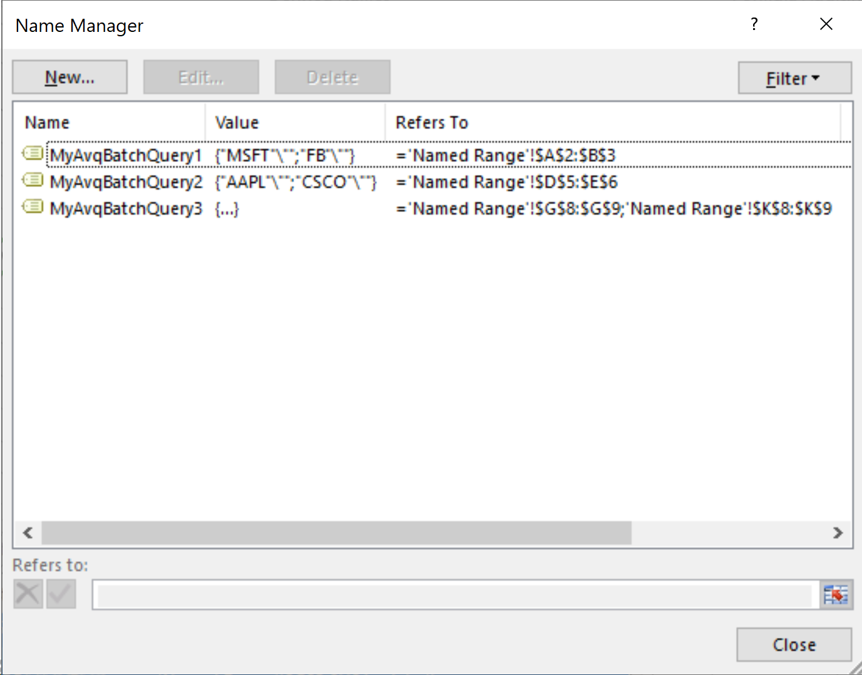
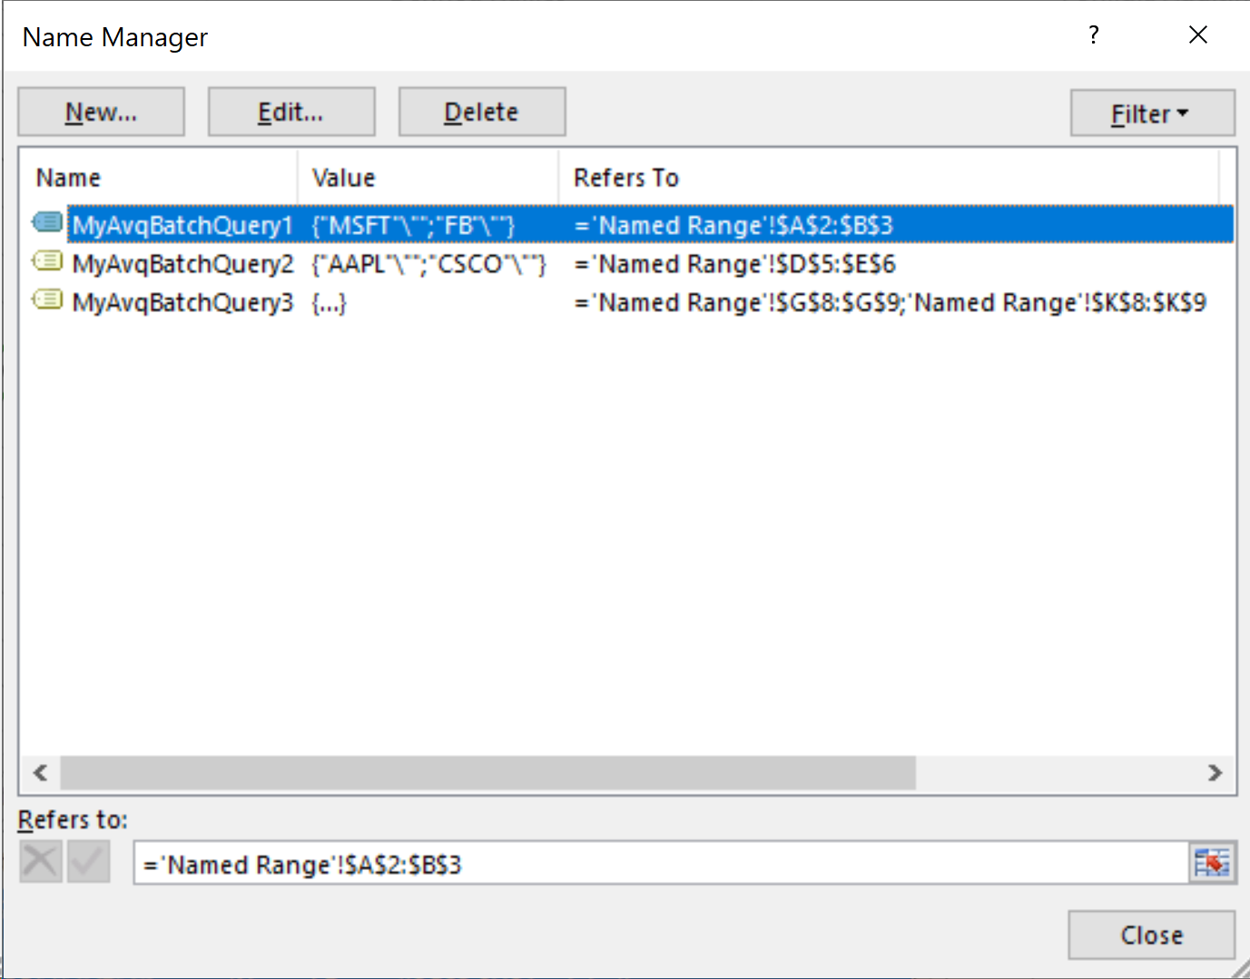
MyAvqBatchQuery1
Symbol | Quote
MSFT
FB
MyAvqBatchQuery2
 |  | Symbol | Quote
 |  | AAPL
 |  | CSCO
MyAvqBatchQuery3
 |  |  |  | Symbol | … | … | … | Quote
Named ranges with two columns each:
1. Column = Symbol
2. Column = <Stock Quote>
The named ranges contains two columns each, which can be a Contiguous Range (MyStockQuery1/2) or a Non-Contiguous Range (MyStockQuery3).
Use * (asterisk) as a wildcard character at the end of the Range Name to use all named ranges which starts with the given name.
The result (stock quote) of the AVQ batch query is returned in the second column.
 |  |  |  | INTC
 |  |  |  | VZ

